0. Introduction

Brewers Association Facility Data Collection Workbook & Greenhouse Gas Emissions Inventory Tool
Introduction and Completion Instructions

Overview: | This workbook is intended to capture the data necessary to calculate an estimate of greenhouse gas (GHG) emissions and organize energy data. This tool will capture large scope 1 and scope 2 GHG sources. Process emissions, refrigerants, and other scope 3 emissions are beyond the scope of this worksheet.

Contents: | The workbook contains the following input, output and reference sheets:

 | FACILITY INPUT SHEETS

 | 1. Utility Data: Facilities to input monthly usage data from fuel purchasing records or direct meter readings.

 | OUTPUT AND REFERENCE SHEETS

 | 2. Utility Charts: A locked sheet showing bar graphs for each source by year. The tool will automatically generate these charts based on information entered in the "utility data" tab.
 | 3. Summary Tab: A locked sheet showing calculated GHG emissions. The tool will automatically calculate site-specific and corporate-wide GHG emissions on this tab.
 | A. Emissions Factor Reference: A locked sheet showing fuel emission factors used in this tool and the national electricity CO2e emission factor for the United States
 | B. Global Warming Reference: A locked sheet showing the global warming potential of various compounds.
 | C. Conversion Factor Reference: A locked sheet showing guidance on applicable conversion factors

Instructions: | Please work through each of the spreadsheet sections as completely as possible. Specific instructions are listed within each tab. To begin, click on the 1. Utility Data tab and review the data fields required. Contact individual sites to collect required data for insertion into the tool. Ensure that your units of measure match what the tool requires - guidance on applicable conversion factors is available on the C. Conversion Factors Reference tab.
 | Note: Enter "0" or leave the cell blank when the information Is not applicable

1. Utility Data
 | Utility Data Collection Worksheet

Fuel use and electricity data must be entered for each month in order to produce annual results. The operator should enter the total values for each of the months listed below. Note: only enter data for the corresponding months (light grey cells), the totals column will generate automatically (dark grey cells). When applicable provide the monthly data for: Purchased Electricity, Propane, Natural Gas, Gasoline, Diesel. If there is no information for a source you may leave the cell blank or enter "0". The results of this information will populate in the "2. Utility Charts" & "3. Summary Tab".

?
?
Date | Electricity |  |  | Propane |  |  | Natural Gas |  |  | Gasoline |  |  | Diesel
 | Qty (kWh) | Cost (USD$) | Cost Per Unit | Qty (gal) | Cost (USD$) | Cost Per Unit | Qty (kWh) | Cost (USD$) | Cost Per Unit | Qty (gal) | Cost (USD$) | Cost Per Unit | Qty (gal) | Cost (USD$) | Cost Per Unit
Jan-12 |  |  | - |  |  | - |  |  | - |  |  | - |  |  | - | Map Key
Feb-12 |  |  | - |  |  | - |  |  | - |  |  | - |  |  | - | - | Category Description
Mar-12 |  |  | - |  |  | - |  |  | - |  |  | - |  |  | - | - | Operator Input / Drop Down Cells
Apr-12 |  |  | - |  |  | - |  |  | - |  |  | - |  |  | - | - | Calculated Value Cells
May-12 |  |  | - |  |  | - |  |  | - |  |  | - |  |  | - | - | Automatically Filled Cell
Jun-12 |  |  | - |  |  | - |  |  | - |  |  | - |  |  | -
Jul-12 |  |  | - |  |  | - |  |  | - |  |  | - |  |  | -
Aug-12 |  |  | - |  |  | - |  |  | - |  |  | - |  |  | -
Sep-12 |  |  | - |  |  | - |  |  | - |  |  | - |  |  | -
Oct-12 |  |  | - |  |  | - |  |  | - |  |  | - |  |  | -
Nov-12 |  |  | - |  |  | - |  |  | - |  |  | - |  |  | -
Dec-12 |  |  | - |  |  | - |  |  | - |  |  | - |  |  | -
2012 Totals | 0 | $0 | - | 0 | $0 | - | 0 | $0 | - | 0 | $0 | - | 0 | $0 | -
Jan-13 |  |  | - |  |  | - |  |  | - |  |  | - |  |  | -
Feb-13 |  |  | - |  |  | - |  |  | - |  |  | - |  |  | -
Mar-13 |  |  | - |  |  | - |  |  | - |  |  | - |  |  | -
Apr-13 |  |  | - |  |  | - |  |  | - |  |  | - |  |  | -
May-13 |  |  | - |  |  | - |  |  | - |  |  | - |  |  | -
Jun-13 |  |  | - |  |  | - |  |  | - |  |  | - |  |  | -
Jul-13 |  |  | - |  |  | - |  |  | - |  |  | - |  |  | -
Aug-13 |  |  | - |  |  | - |  |  | - |  |  | - |  |  | -
Sep-13 |  |  | - |  |  | - |  |  | - |  |  | - |  |  | -
Oct-13 |  |  | - |  |  | - |  |  | - |  |  | - |  |  | -
Nov-13 |  |  | - |  |  | - |  |  | - |  |  | - |  |  | -
Dec-13 |  |  | - |  |  | - |  |  | - |  |  | - |  |  | -
2013 Totals | 0 | $0 | - | 0 | $0 | - | 0 | $0 | - | 0 | $0 | - | 0 | $0 | -
Jan-14 |  |  | - |  |  | - |  |  | - |  |  | - |  |  | -
Feb-14 |  |  | - |  |  | - |  |  | - |  |  | - |  |  | -
Mar-14 |  |  | - |  |  | - |  |  | - |  |  | - |  |  | -
Apr-14 |  |  | - |  |  | - |  |  | - |  |  | - |  |  | -
May-14 |  |  | - |  |  | - |  |  | - |  |  | - |  |  | -
Jun-14 |  |  | - |  |  | - |  |  | - |  |  | - |  |  | -
Jul-14 |  |  | - |  |  | - |  |  | - |  |  | - |  |  | -
Aug-14 |  |  | - |  |  | - |  |  | - |  |  | - |  |  | -
Sep-14 |  |  | - |  |  | - |  |  | - |  |  | - |  |  | -
Oct-14 |  |  | - |  |  | - |  |  | - |  |  | - |  |  | -
Nov-14 |  |  | - |  |  | - |  |  | - |  |  | - |  |  | -
Dec-14 |  |  | - |  |  | - |  |  | - |  |  | - |  |  | -
2014 Totals | 0 | $0 | - | 0 | $0 | - | 0 | $0 | - | 0 | $0 | - | 0 | $0 | -
Jan-15 |  |  | - |  |  | - |  |  | - |  |  | - |  |  | -
Feb-15 |  |  | - |  |  | - |  |  | - |  |  | - |  |  | -
Mar-15 |  |  | - |  |  | - |  |  | - |  |  | - |  |  | -
Apr-15 |  |  | - |  |  | - |  |  | - |  |  | - |  |  | -
May-15 |  |  | - |  |  | - |  |  | - |  |  | - |  |  | -
Jun-15 |  |  | - |  |  | - |  |  | - |  |  | - |  |  | -
Jul-15 |  |  | - |  |  | - |  |  | - |  |  | - |  |  | -
Aug-15 |  |  | - |  |  | - |  |  | - |  |  | - |  |  | -
Sep-15 |  |  | - |  |  | - |  |  | - |  |  | - |  |  | -
Oct-15 |  |  | - |  |  | - |  |  | - |  |  | - |  |  | -
Nov-15 |  |  | - |  |  | - |  |  | - |  |  | - |  |  | -
Dec-15 |  |  | - |  |  | - |  |  | - |  |  | - |  |  | -
2015 Totals | 0 | $0 | - | 0 | $0 | - | 0 | $0 | - | 0 | $0 | - | 0 | $0 | -

2. Utility Charts
Utility Data Charts Yearly Totals by Source

Electricity
 | Electricity
2012 Totals | 0
2013 Totals | 0
2014 Totals | 0
2015 Totals | 0

 | Propane
2012 Totals | 0
2013 Totals | 0
2014 Totals | 0
2015 Totals | 0

 | Natural Gas
2012 Totals | 0
2013 Totals | 0
2014 Totals | 0
2015 Totals | 0

 | Gasoline
2012 Totals | 0
2013 Totals | 0
2014 Totals | 0
2015 Totals | 0

 | Diesel
2012 Totals | 0
2013 Totals | 0
2014 Totals | 0
2015 Totals | 0

3. Summary Tab
 | Summary Results

Summary Results |  |  |  |  |  |  |  | Map Key
 | Note: The amount of barrels produced must be entered in order to populate all corresponding results. |  |  |  |  |  |  | - | Category Description
 |  | Unit | 2012 | 2013 | 2014 | 2015 | Total | - | Operator Input / Drop Down Cells
?
?
 | Barrels | # |  |  |  |  | 0 | - | Calculated Value Cells
 | Cost Per Year | $ | $0.0 | $0.0 | $0.0 | $0.0 | $0.0 | - | Automatically Filled Cell
?
 | kWh per year | kWh | 0 | 0 | 0 | 0 | 0
 | mtCO2e per Year | mtCO2e | 0 | 0 | 0 | 0 | 0
 | Cost Per Barrel | $/Barrel | - | - | - | - | $0.0
 | kWh/Barrel | kWh/Barrel | - | - | - | - | 0
 | GHG Per Barrel | MtCO2e/Barrel | - | - | - | - | 0
 | Estimation Notes or Other Comments:

Quantity by Source

 |  | Unit | 2012 | 2013 | 2014 | 2015 | Total
 | Total Purchased Electricity | kWh | 0 | 0 | 0 | 0 | 0
 | Propane | kWh | 0 | 0 | 0 | 0 | 0
 | Natural Gas | kWh | 0 | 0 | 0 | 0 | 0
 | Transportation
 | Gasoline | gal | 0 | 0 | 0 | 0 | 0
 | Diesel | gal | 0 | 0 | 0 | 0 | 0
 | Estimation Notes or Other Comments:

Cost per Source

 |  | Unit | 2012 | 2013 | 2014 | 2015 | Total
 | Total Purchased Electricity | $ | $0.0 | $0.0 | $0.0 | $0.0 | $0.0
 | Propane | $ | $0.0 | $0.0 | $0.0 | $0.0 | $0.0
 | Natural Gas | $ | $0.0 | $0.0 | $0.0 | $0.0 | $0.0
 | Transportation
 | Gasoline | $ | $0.0 | $0.0 | $0.0 | $0.0 | $0.0
 | Diesel | $ | $0.0 | $0.0 | $0.0 | $0.0 | $0.0
 | Estimation Notes or Other Comments:

GHG emissions by Source

 |  | Unit | 2012 | 2013 | 2014 | 2015 | Total
 | Total Purchased Electricity | mtCO2e | 0 | 0 | 0 | 0 | 0
 | Propane | mtCO2e | 0 | 0 | 0 | 0 | 0
 | Natural Gas | mtCO2e | 0 | 0 | 0 | 0 | 0
 | Transportation
 | Gasoline | mtCO2e | 0 | 0 | 0 | 0 | 0
 | Diesel | mtCO2e | 0 | 0 | 0 | 0 | 0
 | Estimation Notes or Other Comments:

C. Conversion Factors Reference
C. Conversion Factor Reference

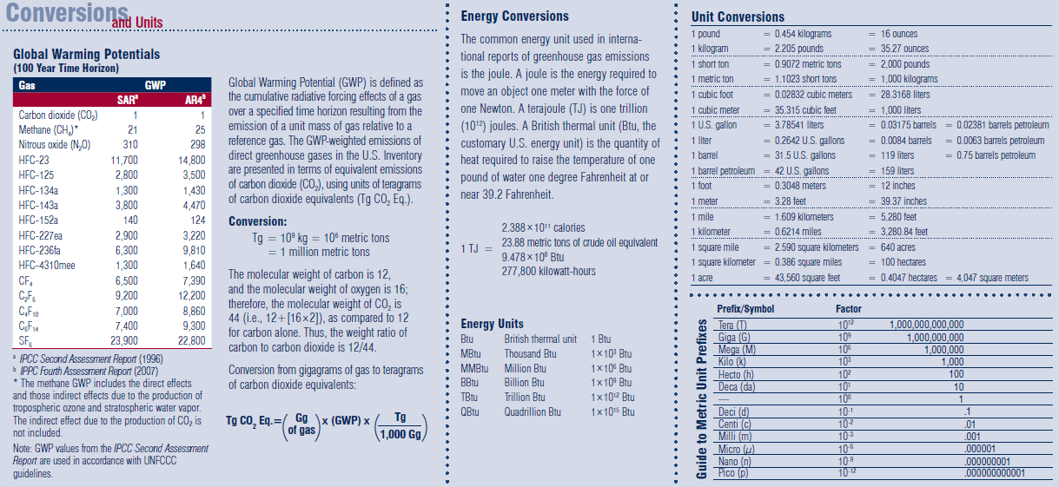

*2008 GHG Fast Facts- www.EPA.gov

